Type - Green Roofs
June 2020 Edition - IGNITION NBS evidence base
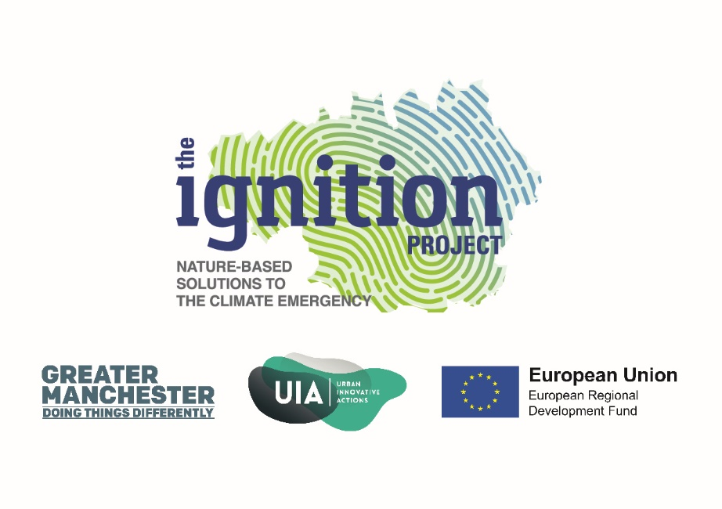
NBS Type | Green Roofs | Vegetation growing on any structure's horizontal surface
Alternative terms or sub-terms: Living roof, eco-roof, roof garden, earth-sheltered structure, brown roofs, green-blue roofs, biodiverse roofs, vegetated roof cover, green cloak | Extensive | 0-150mm depth, provide amenity and are normally accessible for recreational use. They may be referred to as roof gardens or terraces.
 | Intensive | 150mm+ depth. Extensive green roofs generally provide greater biodiversity interest than intensive roofs but are considered to be less appropriate in providing amenity and recreation benefits.

Evidence Profile
June 2020 Edition - IGNITION NBS evidence base

No. of evidence items per benefit for green roofs
Benefit | No. of evidence items | Evidence item % | No. of evidence sources
Air quality | 22 | 9% | 12
Carbon | 7 | 3% | 5
Water quantity | 45 | 18% | 31
Water quality | 29 | 11% | 14
Temperature | 51 | 20% | 37
Energy use | 61 | 24% | 37
Health and wellbeing | 1 | 0% | 1
Noise | 8 | 3% | 6
Land and property value | 27 | 11% | 20
Amenity | 0 | 0% | 0
Biodiversity | 5 | 2% | 5
Local economic growth | 0 | 0% | 0
Total | 256 |  | 168

